Nomenclature
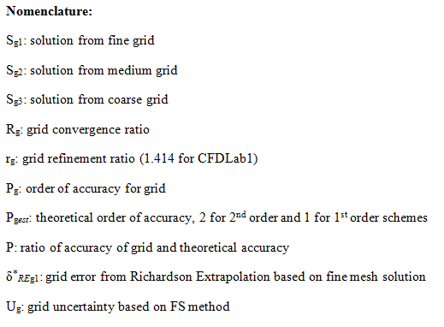

Equations
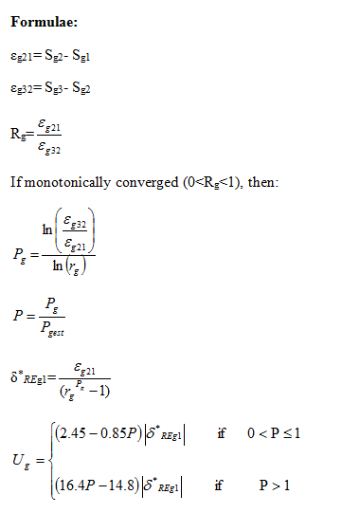

V&V Pressure
Insert your order of numerical scheme into yellow region

Pgest
rg | 1.41

Point | Position | Sg1 (FINE) | Sg2 (MEDIUM) | Sg3 (COURSE) | A | E | ε21 | ε32 | Rg | Convergence | Pg | δ | P | Ug | Ud | +Uv | -Uv | Validation
1 | 0.0000 | 0.000000 | 0 | 0.000000 | 0.770576 | 1.000000 | 0.000000 | 0.000000 | #DIV/0! | #DIV/0! | #DIV/0! | #DIV/0! | #DIV/0! | #DIV/0! | 4.20000E-01 | 4.20000E-01 | -4.20000E-01 | Not Validated
2 | 0.0038 | 0.000000 | 0 | 0.000000 | 0.405566 | 0.526316 | 0.000000 | 0.000000 | #DIV/0! | #DIV/0! | #DIV/0! | #DIV/0! | #DIV/0! | #DIV/0! | 4.20000E-01 | 4.20000E-01 | -4.20000E-01 | Not Validated
3 | 0.0076 | 0.000000 | 0 | 0.000000 | -0.060835 | -0.078947 | 0.000000 | 0.000000 | #DIV/0! | #DIV/0! | #DIV/0! | #DIV/0! | #DIV/0! | #DIV/0! | 4.20000E-01 | 4.20000E-01 | -4.20000E-01 | Validated
4 | 0.0152 | 0.000000 | 0 | 0.000000 | -0.459642 | -0.596491 | 0.000000 | 0.000000 | #DIV/0! | #DIV/0! | #DIV/0! | #DIV/0! | #DIV/0! | #DIV/0! | 4.20000E-01 | 4.20000E-01 | -4.20000E-01 | Not Validated
5 | 0.0229 | 0.000000 | 0 | 0.000000 | -0.675943 | -0.877193 | 0.000000 | 0.000000 | #DIV/0! | #DIV/0! | #DIV/0! | #DIV/0! | #DIV/0! | #DIV/0! | 4.20000E-01 | 4.20000E-01 | -4.20000E-01 | Not Validated
6 | 0.0305 | 0.000000 | 0 | 0.000000 | -0.763816 | -0.991228 | 0.000000 | 0.000000 | #DIV/0! | #DIV/0! | #DIV/0! | #DIV/0! | #DIV/0! | #DIV/0! | 4.20000E-01 | 4.20000E-01 | -4.20000E-01 | Not Validated
7 | 0.0457 | 0.000000 | 0 | 0.000000 | -0.831410 | -1.078947 | 0.000000 | 0.000000 | #DIV/0! | #DIV/0! | #DIV/0! | #DIV/0! | #DIV/0! | #DIV/0! | 4.20000E-01 | 4.20000E-01 | -4.20000E-01 | Not Validated
8 | 0.0610 | 0.000000 | 0 | 0.000000 | -0.858448 | -1.114035 | 0.000000 | 0.000000 | #DIV/0! | #DIV/0! | #DIV/0! | #DIV/0! | #DIV/0! | #DIV/0! | 4.20000E-01 | 4.20000E-01 | -4.20000E-01 | Not Validated
9 | 0.0914 | 0.000000 | 0 | 0.000000 | -0.838170 | -1.087719 | 0.000000 | 0.000000 | #DIV/0! | #DIV/0! | #DIV/0! | #DIV/0! | #DIV/0! | #DIV/0! | 4.20000E-01 | 4.20000E-01 | -4.20000E-01 | Not Validated
10 | 0.1220 | 0.000000 | 0 | 0.000000 | -0.784094 | -1.017544 | 0.000000 | 0.000000 | #DIV/0! | #DIV/0! | #DIV/0! | #DIV/0! | #DIV/0! | #DIV/0! | 4.20000E-01 | 4.20000E-01 | -4.20000E-01 | Not Validated
11 | 0.1524 | 0.000000 | 0 | 0.000000 | -0.736778 | -0.956140 | 0.000000 | 0.000000 | #DIV/0! | #DIV/0! | #DIV/0! | #DIV/0! | #DIV/0! | #DIV/0! | 4.20000E-01 | 4.20000E-01 | -4.20000E-01 | Not Validated
12 | 0.1830 | 0.000000 | 0 | 0.000000 | -0.628627 | -0.815789 | 0.000000 | 0.000000 | #DIV/0! | #DIV/0! | #DIV/0! | #DIV/0! | #DIV/0! | #DIV/0! | 4.20000E-01 | 4.20000E-01 | -4.20000E-01 | Not Validated
13 | 0.2134 | 0.000000 | 0 | 0.000000 | -0.588071 | -0.763158 | 0.000000 | 0.000000 | #DIV/0! | #DIV/0! | #DIV/0! | #DIV/0! | #DIV/0! | #DIV/0! | 4.20000E-01 | 4.20000E-01 | -4.20000E-01 | Not Validated
14 | 0.2440 | 0.000000 | 0 | 0.000000 | -0.567792 | -0.736842 | 0.000000 | 0.000000 | #DIV/0! | #DIV/0! | #DIV/0! | #DIV/0! | #DIV/0! | #DIV/0! | 4.20000E-01 | 4.20000E-01 | -4.20000E-01 | Not Validated
15 | 0.2743 | 0.000000 | 0 | 0.000000 | -0.378528 | -0.491228 | 0.000000 | 0.000000 | #DIV/0! | #DIV/0! | #DIV/0! | #DIV/0! | #DIV/0! | #DIV/0! | 4.20000E-01 | 4.20000E-01 | -4.20000E-01 | Not Validated
16 | 0.2743 | 0.000000 | 0 | 0.000000 | -0.196024 | -0.254386 | 0.000000 | 0.000000 | #DIV/0! | #DIV/0! | #DIV/0! | #DIV/0! | #DIV/0! | #DIV/0! | 4.20000E-01 | 4.20000E-01 | -4.20000E-01 | Validated
17 | 0.2440 | 0.000000 | 0 | 0.000000 | -0.223061 | -0.289474 | 0.000000 | 0.000000 | #DIV/0! | #DIV/0! | #DIV/0! | #DIV/0! | #DIV/0! | #DIV/0! | 4.20000E-01 | 4.20000E-01 | -4.20000E-01 | Validated
18 | 0.2134 | 0.000000 | 0 | 0.000000 | -0.236580 | -0.307018 | 0.000000 | 0.000000 | #DIV/0! | #DIV/0! | #DIV/0! | #DIV/0! | #DIV/0! | #DIV/0! | 4.20000E-01 | 4.20000E-01 | -4.20000E-01 | Validated
19 | 0.1830 | 0.000000 | 0 | 0.000000 | -0.277137 | -0.359649 | 0.000000 | 0.000000 | #DIV/0! | #DIV/0! | #DIV/0! | #DIV/0! | #DIV/0! | #DIV/0! | 4.20000E-01 | 4.20000E-01 | -4.20000E-01 | Validated
20 | 0.1524 | 0.000000 | 0 | 0.000000 | -0.283896 | -0.368421 | 0.000000 | 0.000000 | #DIV/0! | #DIV/0! | #DIV/0! | #DIV/0! | #DIV/0! | #DIV/0! | 4.20000E-01 | 4.20000E-01 | -4.20000E-01 | Validated
21 | 0.1220 | 0.000000 | 0 | 0.000000 | -0.297415 | -0.385965 | 0.000000 | 0.000000 | #DIV/0! | #DIV/0! | #DIV/0! | #DIV/0! | #DIV/0! | #DIV/0! | 4.20000E-01 | 4.20000E-01 | -4.20000E-01 | Validated
22 | 0.0914 | 0.000000 | 0 | 0.000000 | -0.290656 | -0.377193 | 0.000000 | 0.000000 | #DIV/0! | #DIV/0! | #DIV/0! | #DIV/0! | #DIV/0! | #DIV/0! | 4.20000E-01 | 4.20000E-01 | -4.20000E-01 | Validated
23 | 0.0610 | 0.000000 | 0 | 0.000000 | -0.561033 | -0.728070 | 0.000000 | 0.000000 | #DIV/0! | #DIV/0! | #DIV/0! | #DIV/0! | #DIV/0! | #DIV/0! | 4.20000E-01 | 4.20000E-01 | -4.20000E-01 | Not Validated
24 | 0.0457 | 0.000000 | 0 | 0.000000 | -0.608349 | -0.789474 | 0.000000 | 0.000000 | #DIV/0! | #DIV/0! | #DIV/0! | #DIV/0! | #DIV/0! | #DIV/0! | 4.20000E-01 | 4.20000E-01 | -4.20000E-01 | Not Validated
25 | 0.0305 | 0.000000 | 0 | 0.000000 | -0.702981 | -0.912281 | 0.000000 | 0.000000 | #DIV/0! | #DIV/0! | #DIV/0! | #DIV/0! | #DIV/0! | #DIV/0! | 4.20000E-01 | 4.20000E-01 | -4.20000E-01 | Not Validated
26 | 0.0229 | 0.000000 | 0 | 0.000000 | -0.777335 | -1.008772 | 0.000000 | 0.000000 | #DIV/0! | #DIV/0! | #DIV/0! | #DIV/0! | #DIV/0! | #DIV/0! | 4.20000E-01 | 4.20000E-01 | -4.20000E-01 | Not Validated
27 | 0.0152 | 0.000000 | 0 | 0.000000 | -0.939561 | -1.219298 | 0.000000 | 0.000000 | #DIV/0! | #DIV/0! | #DIV/0! | #DIV/0! | #DIV/0! | #DIV/0! | 4.20000E-01 | 4.20000E-01 | -4.20000E-01 | Not Validated
28 | 0.0076 | 0.000000 | 0 | 0.000000 | -1.095028 | -1.421053 | 0.000000 | 0.000000 | #DIV/0! | #DIV/0! | #DIV/0! | #DIV/0! | #DIV/0! | #DIV/0! | 4.20000E-01 | 4.20000E-01 | -4.20000E-01 | Not Validated
29 | 0.0038 | 0.000000 | 0 | 0.000000 | -0.986877 | -1.280702 | 0.000000 | 0.000000 | #DIV/0! | #DIV/0! | #DIV/0! | #DIV/0! | #DIV/0! | #DIV/0! | 4.20000E-01 | 4.20000E-01 | -4.20000E-01 | Not Validated

V&V for Pressure Coefficient

