Nomenclature
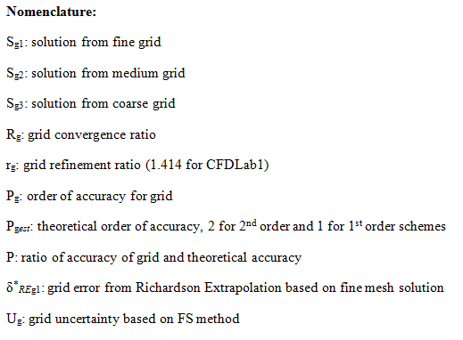

Equations
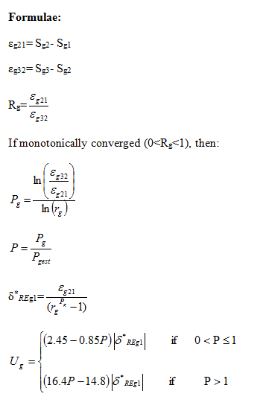

V&V Velocity
Note: See nomenclature and equations tabs for nomenclature and equations used in this excel sheet
Insert results from velocity values from your simulation into the yellow region

Monotonic convergence: 0<Rg<1
Oscillatory Convergence: -1<Rg<0
Monotonic divergence: Rg>1
Oscillatory divergence: Rg<-1

Pgest | 2
rg | 1.4142135624
 | Grid 4 | Grid 3 | Grid 2
y (m) | Sg1 (FINE) | Sg2 (MEDIUM) | Sg3 (COURSE) | A | E | ε21 | ε32 | Rg | Convergence | Pg | δ | P | +Ug | -Ug | Validation
0 |  |  |  | 0.400000 | 1.000000 | 0.000000 | 0.000000 | #DIV/0! | #DIV/0! | #DIV/0! | #DIV/0! | #DIV/0! | #DIV/0! | #DIV/0! | #DIV/0!
0.005 |  |  |  | 0.385000 | 0.962500 | 0.000000 | 0.000000 | #DIV/0! | #DIV/0! | #DIV/0! | #DIV/0! | #DIV/0! | #DIV/0! | #DIV/0! | #DIV/0!
0.01 |  |  |  | 0.342000 | 0.855000 | 0.000000 | 0.000000 | #DIV/0! | #DIV/0! | #DIV/0! | #DIV/0! | #DIV/0! | #DIV/0! | #DIV/0! | #DIV/0!
0.015 |  |  |  | 0.269000 | 0.672500 | 0.000000 | 0.000000 | #DIV/0! | #DIV/0! | #DIV/0! | #DIV/0! | #DIV/0! | #DIV/0! | #DIV/0! | #DIV/0!
0.02 |  |  |  | 0.167000 | 0.417500 | 0.000000 | 0.000000 | #DIV/0! | #DIV/0! | #DIV/0! | #DIV/0! | #DIV/0! | #DIV/0! | #DIV/0! | #DIV/0!
0.021 |  |  |  | 0.143000 | 0.357500 | 0.000000 | 0.000000 | #DIV/0! | #DIV/0! | #DIV/0! | #DIV/0! | #DIV/0! | #DIV/0! | #DIV/0! | #DIV/0!
0.022 |  |  |  | 0.118000 | 0.295000 | 0.000000 | 0.000000 | #DIV/0! | #DIV/0! | #DIV/0! | #DIV/0! | #DIV/0! | #DIV/0! | #DIV/0! | #DIV/0!
0.023 |  |  |  | 0.092000 | 0.230000 | 0.000000 | 0.000000 | #DIV/0! | #DIV/0! | #DIV/0! | #DIV/0! | #DIV/0! | #DIV/0! | #DIV/0! | #DIV/0!
0.024 |  |  |  | 0.064000 | 0.160000 | 0.000000 | 0.000000 | #DIV/0! | #DIV/0! | #DIV/0! | #DIV/0! | #DIV/0! | #DIV/0! | #DIV/0! | #DIV/0!
0.025 |  |  |  | 0.036000 | 0.090000 | 0.000000 | 0.000000 | #DIV/0! | #DIV/0! | #DIV/0! | #DIV/0! | #DIV/0! | #DIV/0! | #DIV/0! | #DIV/0!

Axial Velocity Profile
 | FINE | MEDIUM | COURSE | AFD
0 |  |  |  | 0.400000
0.005 |  |  |  | 0.385000
0.01 |  |  |  | 0.342000
0.015 |  |  |  | 0.269000
0.02 |  |  |  | 0.167000
0.021 |  |  |  | 0.143000
0.022 |  |  |  | 0.118000
0.023 |  |  |  | 0.092000
0.024 |  |  |  | 0.064000
0.025 |  |  |  | 0.036000
V&V for Velicty Profile

